ORCA TRIAMT
DAMENKOLLEKTION

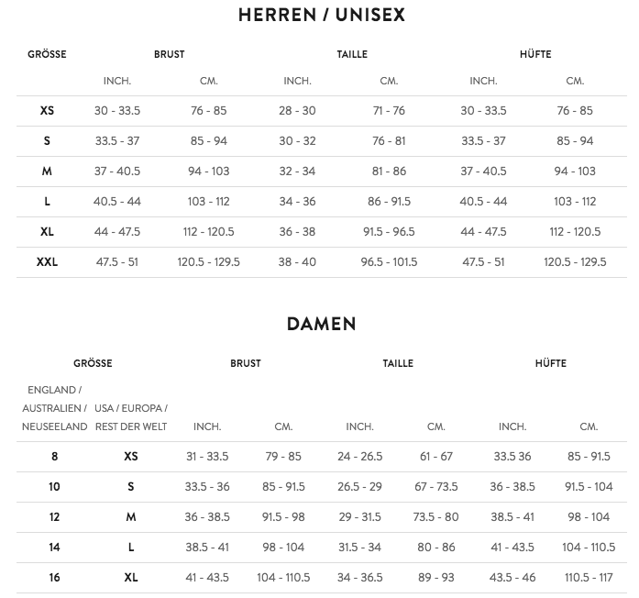
 | Artikel | Preis | Anzahl
 |  | € | XS | S | M | L | XL
TRI | TRISUIT AERO | 199
 | TRI SHORT | 99
 | TRI TOP | 89
BIKE | JACKET SPRING | 95
 | JERSEY LS FLEECE | 69
 | BIB LONG FLEECE | 95
 | JERSEY SS | 75
 | SHORT | 60
RUN | RUN TIGHT FLEECE | 79
 | RUN TIGHT LONG | 69
 | RUN TIGHT 3/4 | 49
 | JACKET WINDBREAKER | 79
 | GILET WINDBREAKER | 65
 | T-SHIRT LS ZIPPER | 45
 | RUN TIGHT SHORT | 45
 | RUN SHORT | 35
 | T-SHIRT SS | 35
 | T-SHIRT SINGLET | 32
MISC | POLO | 39
 | HOODIE | 109
 | RUN CAP | 19
 | HEADBAND | 15
 | RACING CAP | 15
 | SHOE WARMER | 35
 | LEG WARMER | 29
 | ARM WARMER | 19

HERRENKOLLEKTION

 | Artikel | Preis | Anzahl
 |  | € | XS | S | M | L | XL | XXL
TRI | TRISUIT AERO | 199
 | TRI SHORT | 99
 | TRI TOP | 89
BIKE | JACKET SPRING | 95
 | JERSEY LS FLEECE | 69
 | BIB LONG FLEECE | 95
 | JERSEY SS | 75
 | BIB | 89
RUN | RUN TIGHT FLEECE | 79
 | RUN TIGHT LONG | 69
 | RUN TIGHT 3/4 | 49 |  |  |  |  |  |  | Bestellung senden an:
 | JACKET WINDBREAKER | 79 |  |  |  |  |  |  | vorstand@triamt.ch
 | GILET WINDBREAKER | 65
 | T-SHIRT LS ZIPPER | 45
 | RUN SHORT 6" | 39
 | RUN SHORT | 35
 | T-SHIRT SS | 35
 | T-SHIRT SINGLET | 32
MISC | POLO | 39
 | HOODIE | 109
 | RUN CAP | 19
 | HEADBAND | 15
 | RACING CAP | 15
 | SHOE WARMER | 35
 | LEG WARMER | 29
 | ARM WARMER | 19

